Gage R&R Study
An engineer selects 10 parts that represent the expected range of the process variation. Three operators measure the 10 parts, three times per part, in a random order.
Gage R&R Study

Part | Operator | Measurement
1 | A | 0.29
1 | A | 0.41
1 | A | 0.64
2 | A | -0.56
2 | A | -0.68
2 | A | -0.58
3 | A | 1.34
3 | A | 1.17
3 | A | 1.27
4 | A | 0.47
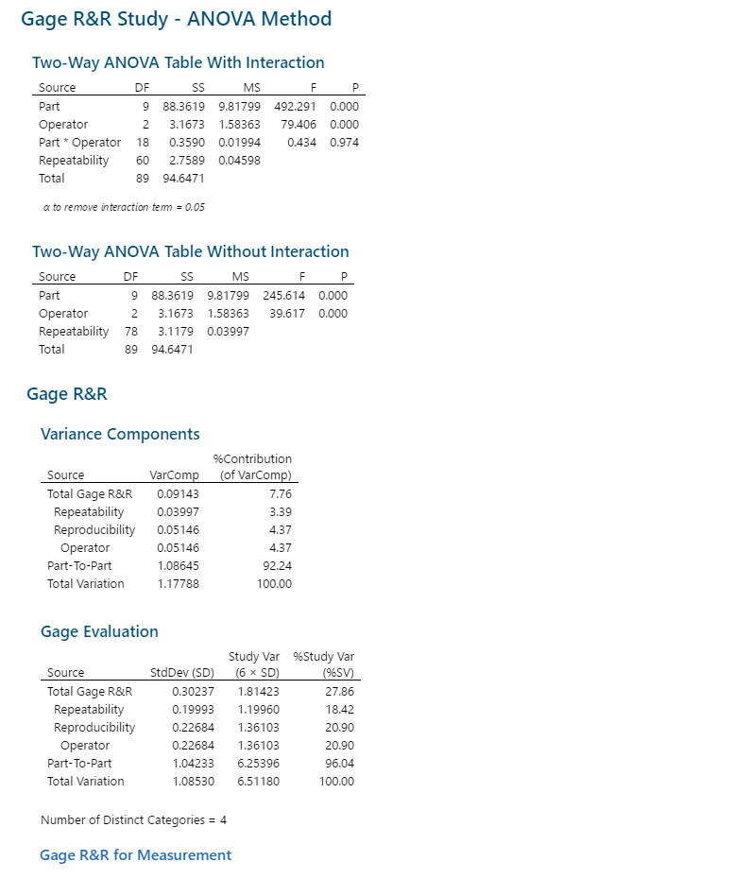
4 | A | 0.5
4 | A | 0.64
5 | A | -0.8
5 | A | -0.92
5 | A | -0.84
6 | A | 0.02
6 | A | -0.11
6 | A | -0.21
7 | A | 0.59
7 | A | 0.75
7 | A | 0.66
8 | A | -0.31
8 | A | -0.2
8 | A | -0.17
9 | A | 2.26
9 | A | 1.99
9 | A | 2.01
10 | A | -1.36
10 | A | -1.25
10 | A | -1.31
The total Gage R&R percentage is 27.86%
Part-to-Part variation is at 96.04%
Repeatability is at 18.42%
Reproducibility is at 20.90%
Number of DIstinct Categories = 4
SInce the Total Gage R&R study is less than 30% , the measurement system is acceptable.
Gage R&R percentage of contribution is at 7.76%.
Part-To-Part percentage of contribution is at 92.24 %
The Measurement System can be accepted
1 | B | 0.08
1 | B | 0.25
1 | B | 0.07
2 | B | -0.47
2 | B | -1.22
2 | B | -0.68
3 | B | 1.19
3 | B | 0.94
3 | B | 1.34
4 | B | 0.01
4 | B | 1.03
4 | B | 0.2
5 | B | -0.56
5 | B | -1.2
5 | B | -1.28
6 | B | -0.2
6 | B | 0.22
6 | B | 0.06
7 | B | 0.47
7 | B | 0.55
7 | B | 0.83
8 | B | -0.63
8 | B | 0.08
8 | B | -0.34
9 | B | 1.8
9 | B | 2.12
9 | B | 2.19
10 | B | -1.68
10 | B | -1.62
10 | B | -1.5
1 | C | 0.04
1 | C | -0.11
1 | C | -0.15
2 | C | -1.38
2 | C | -1.13
2 | C | -0.96
3 | C | 0.88
3 | C | 1.09
3 | C | 0.67
4 | C | 0.14
4 | C | 0.2
4 | C | 0.11
5 | C | -1.46
5 | C | -1.07
5 | C | -1.45
6 | C | -0.29
6 | C | -0.67
6 | C | -0.49
The mean of the
Operators A,B,C
is close to each other, which indicates a little to no variation in the MSA.
There is no measurement error in the system
7 | C | 0.02
7 | C | 0.01
7 | C | 0.21
8 | C | -0.46
8 | C | -0.56
8 | C | -0.49
9 | C | 1.77
9 | C | 1.45
9 | C | 1.87
10 | C | -1.49
10 | C | -1.77
10 | C | -2.16

